Sheet1
 | 30-35
10000-19999 |  |  | Supply and Demand
20000-34999 |  | Census Income Brackets* | min. | max. | mean* | # renter HHs in this bracket last year | # rental units available last year at the mean price or below (pulled from Rent Asked / Contract Rent tables)
35000-49999 |  | Less than $10,000 and $10,000-$19,999 | $250.00 | $499.97 | $374.99 | Alex' 1st df | B25061 & B25056
50000-74999 |  | $20,000-$34,999 | $500.00 | $874.97 | $687.49 | Alex' 1st df | B25061 & B25056
 |  | $35,000-$49,999 | $875.00 | $1,249.98 | $1,062.49 | Alex' 1st df | B25061 & B25056
 |  | $50,000-$74,999 | $1,250.00 | $1,874.98 | $1,562.49 | Alex' 1st df | B25061 & B25056
 |  | $75,000-$99,999 | $1,875.00 | $2,499.98 | $2,187.49 | Alex' 1st df | B25061 & B25056
 |  | $100,000-$149,999 | $2,500.00 | $3,749.98 | $3,124.99 | Alex' 1st df | B25061 & B25056
 |  | $150,000-$199,999 | $3,750.00 | $4,999.97 | $4,374.99 | Alex' 1st df | B25061 & B25056
 |  | $200,000 + | $5,000.00 | $6,250.00 | $5,625.00 | Alex' 1st df | B25061 & B25056
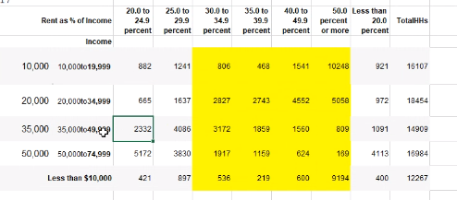
 |  |  |  |  | *anything over this is unaffordable for this income bracket; should we use mean or median?

 |  | Seems to me that does it for what we need to represent renters succinctly in ATL. Woo hoo, Alex! Are we all clear on thresholds for what you and Kevin discussed yesterday in terms of representing Rent Asked/Contract Rent?

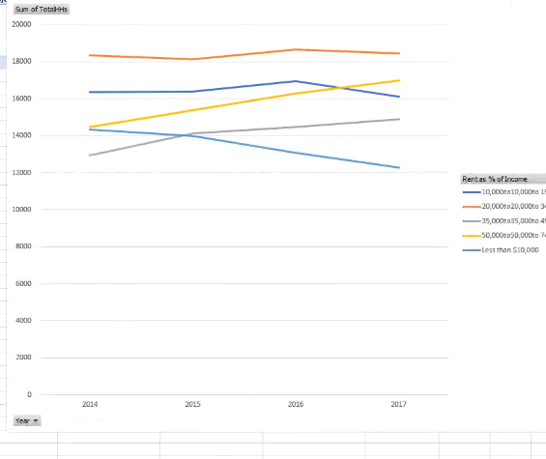
 |  |  | City of Atlanta Income Ranges* (based on AMI of $51,701) |  |  | Affordable Monthly Rent Ranages per Income Bracket (<30% income)
 | Groupings for Project | Govoernment Income Classifications for Affordable Housing Eligibility | Min. | Max. | Corresponding Census Income Brackets* | Min. | Max.
 | Low income @ 60% AMI or less ($31,020.60 or below) = main city plan focus | Extremely low = 0-30% AMI | $0.00 | $15,510.30 | Less than $10,000 / $10,000-$19,999 | $0.00 | $499.97
 |  | Very Low = 31-50% AMI | $15,562.00 | $25,850.50 | $20,000-$34,999 | $500.00 | $874.97
 | Low to moderate income = city plan focus | Low = 51-80% AMI | $25,902.20 | $41,360.80 | $35,000-$49,999 | $875.00 | $1,249.98
 |  | Moderate = 81-120% AMI | $41,412.50 | $62,041.20 | $50,000-$74,999 | $1,250.00 | $1,874.98
 | Everyone @ 120% + AMI (include in graphs to show gentrification/displacement) = not in scope of city plan |  |  |  | $75,000-$99,999 | $1,875.00 | $2,499.98
 |  |  |  |  | $100,000-$149,999 | $2,500.00 | $3,749.98
 |  |  |  |  | $150,000-$199,999 | $3,750.00 | $4,999.97
 |  |  |  |  | $200,000 + | $5,000.00 | $6,250.00
 |  |  | *Note that because AMI % categories for our city and Census Brackets don't align, it's better to lump by below and above 60% AMI for Project Groupings

